FB-S200R2-525TB
Customer: TBC-Tech
Partner: Any
Place:
Data Type:
Usable Capacity:
Data Platform:
MNT: 24/7, Pure1 PREDICTIVE support, Evergreen Foundation
Date:

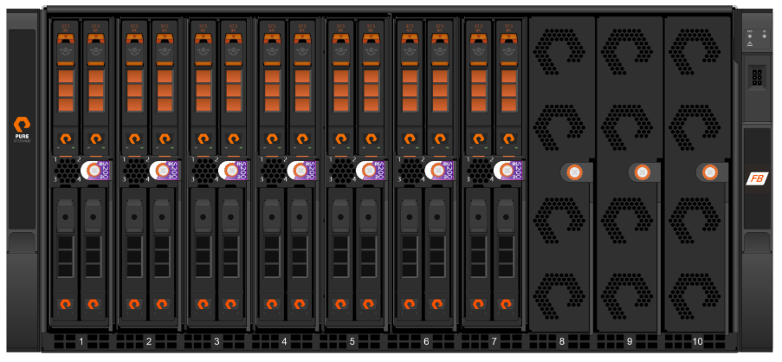
 |  |  |  | Information | State
 |  |  |  | Model / Min.Purity | S200R2 / 4.6.0
 |  |  |  | Configuration | S200R2 | 525TB | 37DFMC
 |  |  |  | Configuration Details | 1 Chassis , 7B x 2D x 37.5TB
 |  |  |  | Label Raw (TB) | 525
 |  |  |  | Purity Raw(TB/TiB) | 513.82/467.32
 |  |  |  | Usable TB/TiB | 316/287.4
 |  |  |  | Effective TB/TiB | 316/287.4
 |  |  |  | (Compression 1:1)
 |  |  |  | Rack Unit | 5
 |  |  |  | Power Nominal(W) | 1.854
Features per one FB: |  |  |  | Power Peak(W) | 2.408
 | TiB Usable Minimum |  |  | Heat Nominal(BTU/hr) | 6.322
 | TiB Effective Minimum |  |  | Heat Peak(BTU/hr) | 8.211
100% NVMe, Controllers w/ NVMe, DirectFlash Modules, NVMeoF
All SW Included (Snaps/Clones, Thin Provisioning, Dedupe/Compression, QoS, ActiveCluster)
Evergreen (flat & forever mnt, capacity / performance / generational upgrades NDU)
Availability High-End 99.9999%, N+2
EverPure ensures consistent performance and availability even in the event of component failure through its fully redundant, non-disruptive architecture.

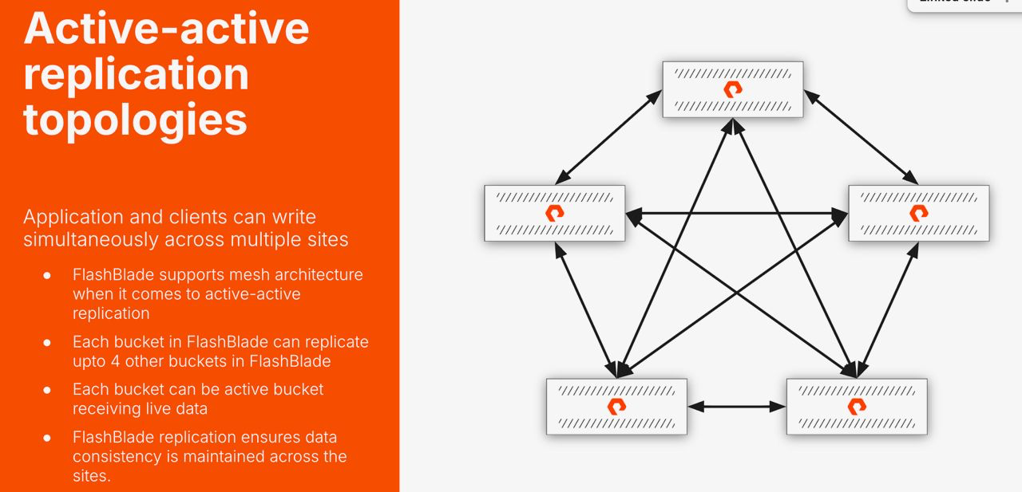
Q-ty | Part Number | Description | Qty
1 | FB-S200R2-525TB-37DFMc | Pure Storage FlashBlade//S200 R2 system SKU using 37.5TB drive. 525TB of raw storage capacity. Includes hardware and software license., 1 chassis, 7 blades, 2 drive/blade. | 2
60 | FB-S200R2-525TB-37DFMc, ASP L1/L2,FE,FSL 1MO,ADV,FND | FB-S200R2-525TB-37DFMc ASP L1/L2,FE,FSL 1 Month Evergreen Foundation Subscription, NBD Delivery, 24/7 Support
2 | FB-100Gb-Eth-SFP-SR (4 pack) | 4 pack of 100Gb Ethernet Short Range QSFP28 Transceiver

