FB-S100-260TB
Customer: PAYME
Partner: Any
Place:
Data Type:
Usable Capacity:
Data Platform:
MNT: 24/7, Pure1 PREDICTIVE support, Evergreen Foundation
Date:
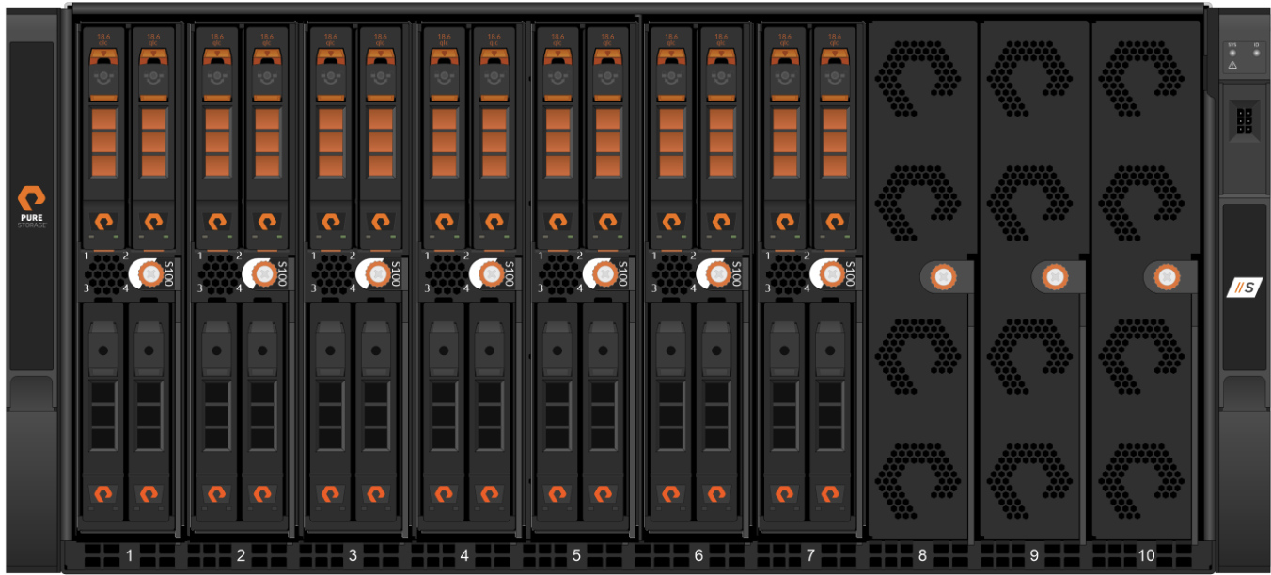

 |  |  |  |  | Information | State
 |  |  |  |  | Model / Min.Purity | S100 / 4.5.6
 |  |  |  |  | Configuration | S100 | 260TB | 18DFMC
 |  |  |  |  | Configuration Details | 1 Chassis , 7B x 2D x 18.6TB
 |  |  |  |  | Label Raw (TB) | 260
 |  |  |  |  | Purity Raw(TB/TiB) | 253.37/230.44
 |  |  |  |  | Usable TB/TiB | 155.82/141.72
 |  |  |  |  | Effective TB/TiB | 155.82/141.72
 |  |  |  |  | (Compression 1:1)
 |  |  |  |  | Rack Unit | 5
 |  |  |  |  | Power Nominal(W) | 1,696
Features per one FB: |  |  |  |  | Power Peak(W) | 2,082
 | TiB Usable Minimum |  |  |  | Heat Nominal(BTU/hr) | 5,782
 | TiB Effective Minimum |  |  |  | Heat Peak(BTU/hr) | 7,100
100% NVMe, Controllers w/ NVMe, DirectFlash Modules, NVMeoF
All SW Included (Snaps/Clones, Thin Provisioning, Dedupe/Compression, QoS, ActiveCluster)
Evergreen (flat & forever mnt, capacity / performance / generational upgrades NDU)
Availability High-End 99.9999%, N+2
EverPure ensures consistent performance and availability even in the event of component failure through its fully redundant, non-disruptive architecture.

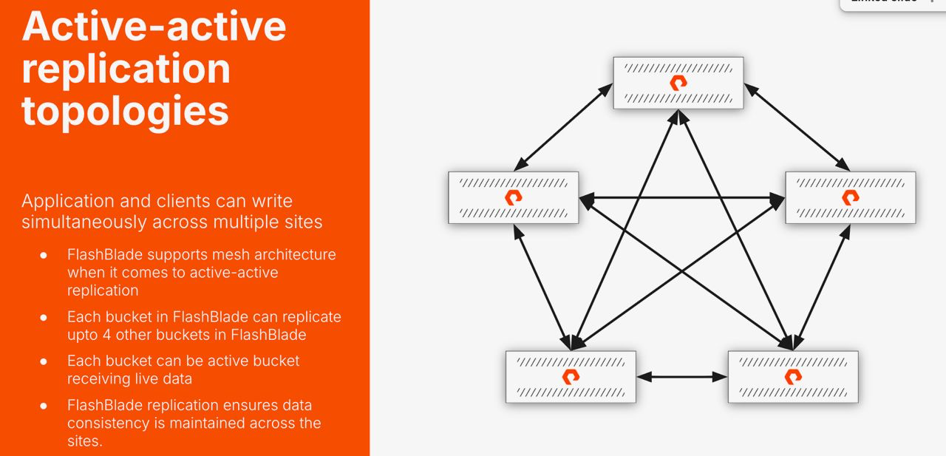
Q-ty | Part Number | Description | Qty
1 | FB-S100-260TB-18DFMc | Pure Storage FlashBlade//S100 system SKU using 18.6TB. 260TB of raw storage capacity. Includes hardware and software license., 1 chassis, 7 blades, 2 drive/blade. | 2
60 | FB-S100-260TB-18DFMc, ASP L1/L2,FE,FSL 1MO,ADV,FND | FB-S100-260TB-18DFMc ASP L1/L2,FE,FSL 1 Month Evergreen Foundation Subscription, NBD Delivery, 24/7 Support
1 | FB-S-Accessory-Kit | Contains four 100G Transceivers and four OM4 MPO12 to 4x LC splitter cables

 |  |  |  | Max T/p GB/s
!valid till end of April |  | 100% read - |  | 13
Budgetary Estimation |  | 100% write - |  | 2.2
One way or another

