FA-X70R5-329TB
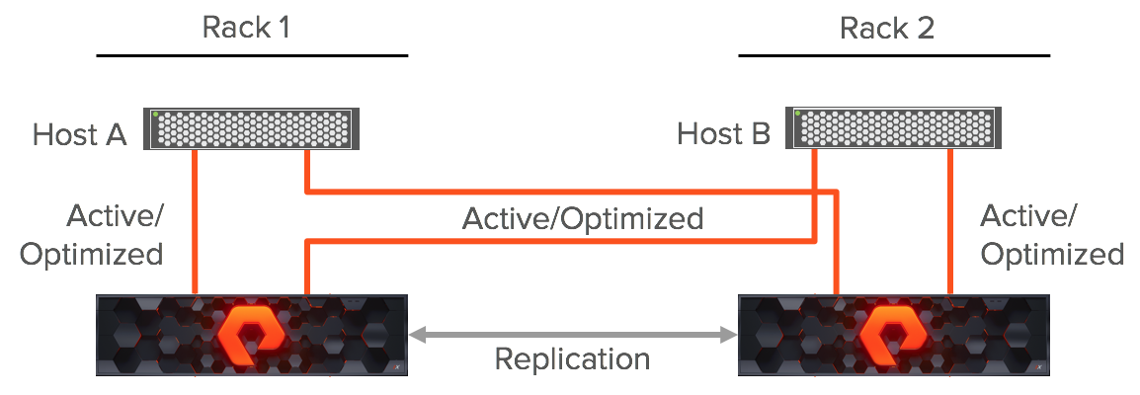
Customer: PAYME (TBC)
Partner: Any
Place: Tashkent
Data Type:
Usable Capacity: 222.5 TiB
Data Platform:
MNT: 24/7, Pure1 PREDICTIVE support, Evergreen Foundation
Date:15.07.2026

 |  |  |  |  | Information | State
 |  |  |  |  | Model / Min.Purity | x70R5 / 6.10.0
 |  |  |  |  | Configuration | X70R5 | CG2 | 329TB | 18x18.3TB
 |  |  |  |  | Configuration Details | 329 (18M)/0 (0M)
 |  |  |  |  | HW Type | X/C/E Chassis Gen2
 |  |  |  |  | Label Raw (TB) | 329
 |  |  |  |  | Purity Raw(TB/TiB) | 316.76/288.09
 |  |  |  |  | Usable TB/TiB | 244.64/222.5
 |  |  |  |  | Effective TB/TiB | 244.64/222.5
 |  |  |  |  | (Data Reduction 1:1)
Features per one FlashArray: |  |  |  |  | Rack Unit | 3
222.50 | TiB Usable Minimum |  |  |  | Power Nominal(W) | 1,370.4
222.50 | TiB Effective Minimum |  |  |  | Power Peak(W) | 1,616.1
100% NVMe, Controllers w/ NVMe, DirectFlash Modules, NVMeoF |  |  |  |  | Heat Nominal(BTU/hr) | 4868
All SW Included (Snaps/Clones, Thin Provisioning, Dedupe/Compression, QoS, ActiveCluster,Encryption at rest, AES-256) |  |  |  |  | Heat Peak(BTU/hr) | 5740.6
Evergreen (flat & forever mnt, capacity / performance / generational upgrades NDU)
Availability High-End 99.9999%, N+2
EverPure ensures consistent performance and availability even in the event of component failure through its fully redundant, non-disruptive architecture.

Q-ty | Part Number | Description | Q-ty
1 | FA-X70R5-CG2-FC-329TB-18x18.3TB | FA//X70R5 w/Chassis Gen2,6 Port FC 32G and 329TB | 2
60 | FA-X70R5-329TB, ASP L1/L2,FE,FSL 1MO,ADV,FND | FA-X70R5-329TB ASP L1/L2,FE,FSL 1 Month Evergreen Foundation Subscription, NBD Delivery, 24/7 Support

 |  | Single Array Performance |  |  | Block Latency(μs)[Est]
 |  |  |  | Max IOPS(K) [Est] | Read | Write
 |  |  | 8K IO 60/40 R/W 0% hit. | 689.31 | 317 - 381 | 196 - 235
!valid till end of April
Budgetary Estimation
One way or another
 |  | Active Cluster (uniform configuration) Performance |  |  | Block Latency(μs)[Est]
 |  |  |  | Max IOPS(K) [Est] | Read | Write
 |  |  | 8K IO 60/40 R/W 0% hit. | 579.02 | 317 - 381 | 196 - 235

